Do Now and part 1, p. 301
Do Now: List the prime numbers under 20
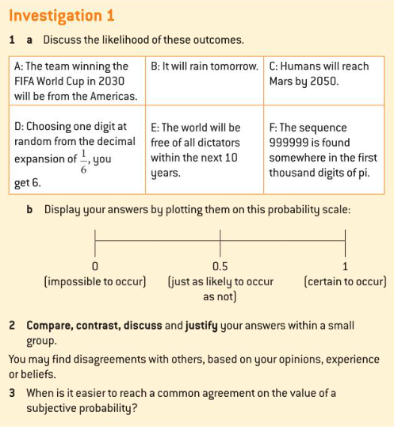
Group work: (see textbook, copy at right)

Investigation 3 pp 303-4
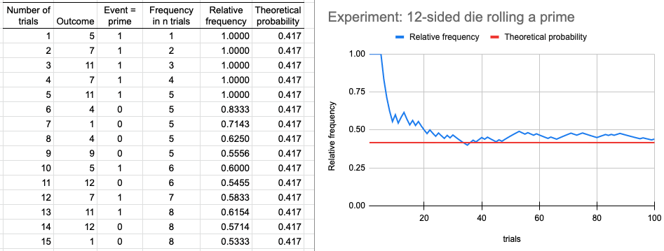
Number of trials | Outcome | Event = prime | Frequency in n trials | Relative frequency | Theoretical probability
1 |  | 0 | 0

